UI Changes_2
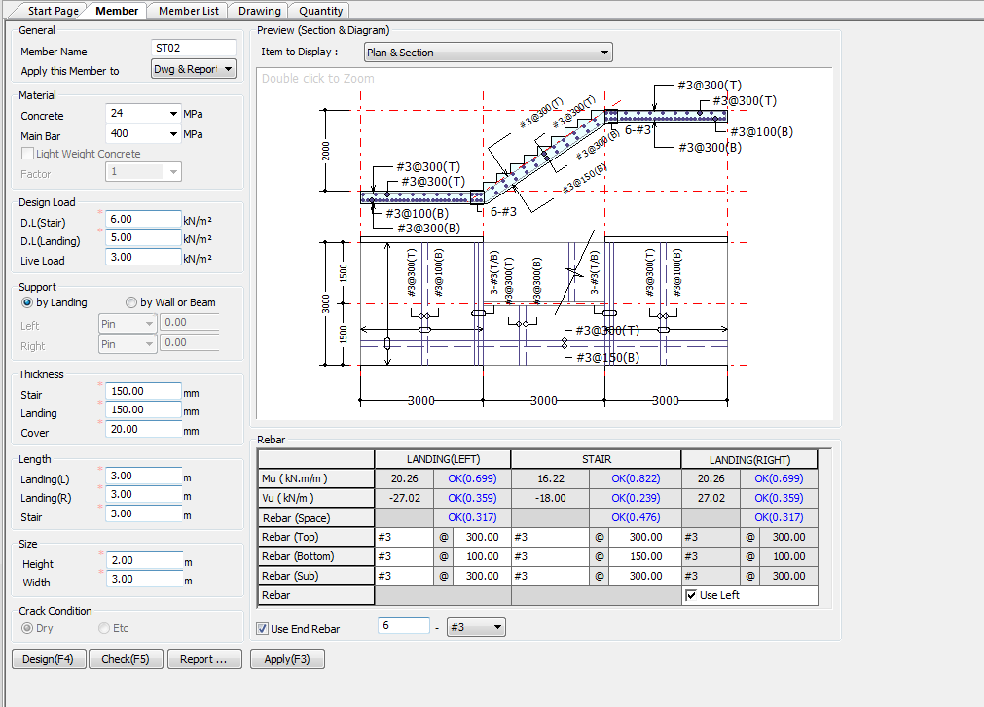
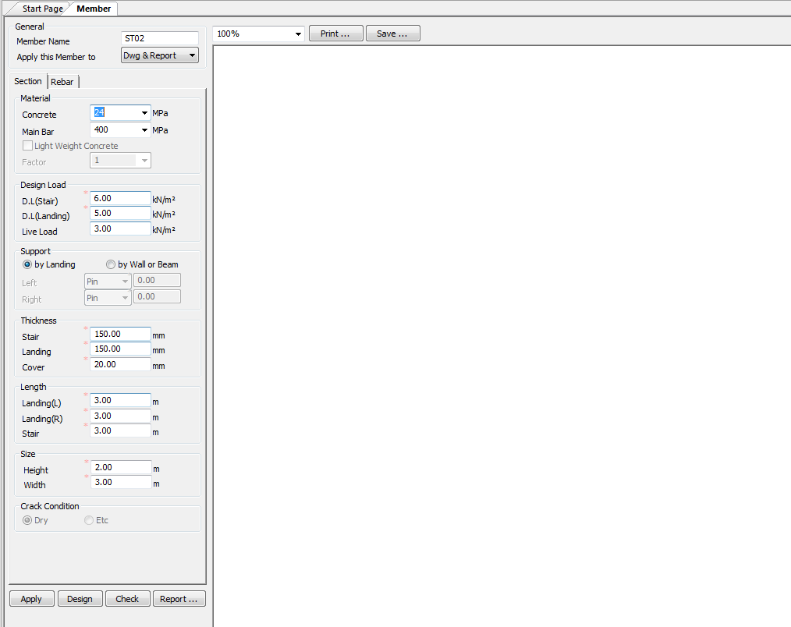


 |  | Required Changes in UI |  |  | Required Changes in UI |  |  | Required Changes in UI

PROJECT MODE |  |  | SIMPLE MODE |  |  | CHECKMODE
GUI CHANGES |  |  | GUI CHANGES |  |  | GUI CHANGES

 | No Changes in Project Mode |  |  | No Changes in Simple Mode |  |  | No Changes in Check Mode

CODE PROVISIONS
CODE PROVISION

IS456:2000 CODE PROVISIONS

STAIRS IS456:2000 SPECIFICATION

Effective Span |  |  |  |  |  |  |  | [IS456:2000 33.1]

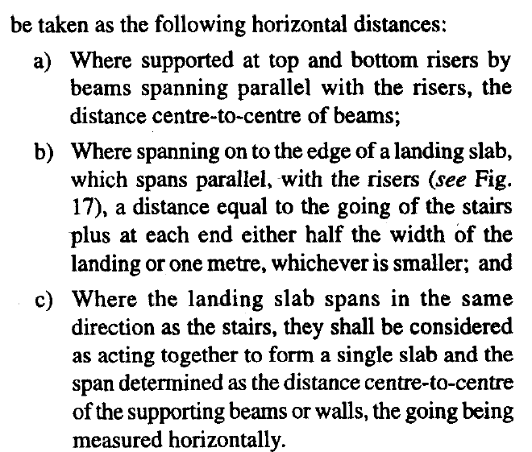

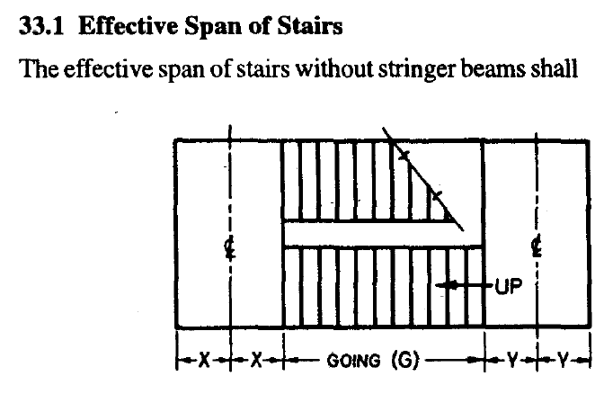
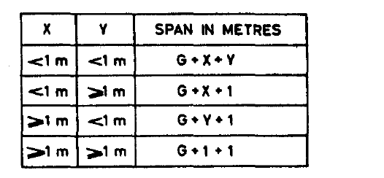

Load distirbutiona |  |  |  |  |  |  |  | [IS456:2000 33.2]
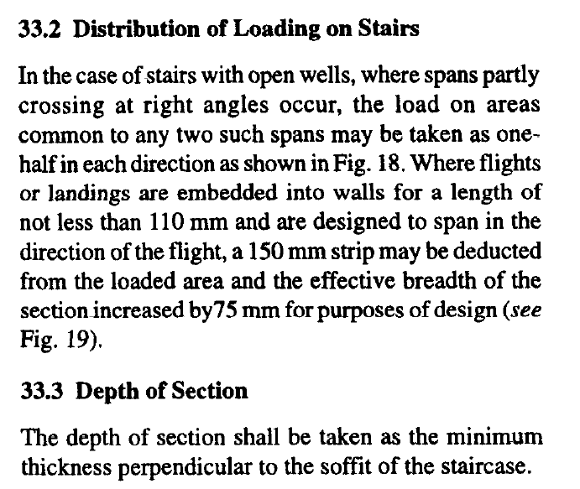

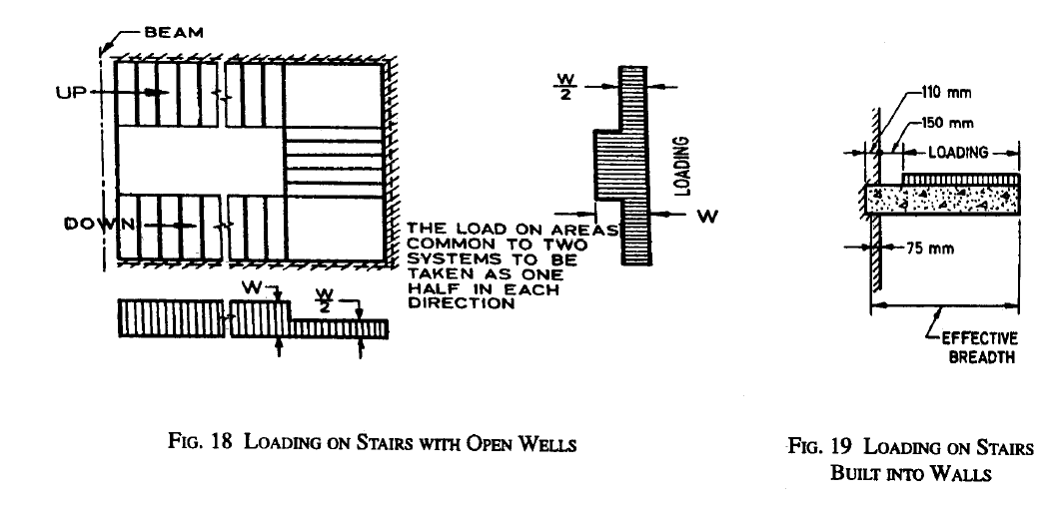

 |  |  |  |  |  |  |  | [IS456:2000 33.2]
Density of Concrete 24 or 25 kM/m3

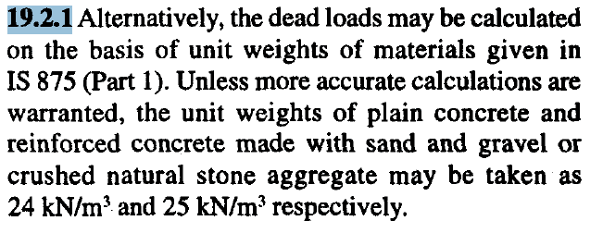

Imposed floor load on Stars 5kN/m for Crouded or 3Kn/m for non Crouded |  |  |  |  |  |  |  | [IS456:2000 26.4.1]

 | LiveLoad Loading standards
 |  |  | Residential buildings 2 kN/m2
 |  |  | Public building 5 kN/m2

Nominal Cover |  |  | 15mm or Diameter of Bar |  |  |  |  | [IS456:2000 26.4.1]

Calculate Moment Capasity of Slab |  |  |  |  |  |  | [IS456:2000 Annex G 1.1]

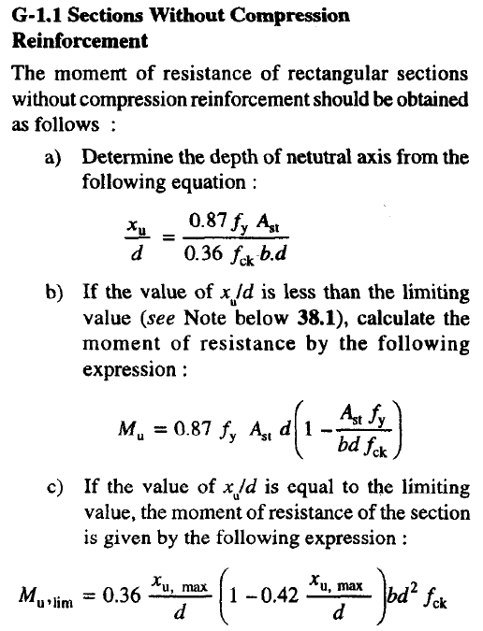

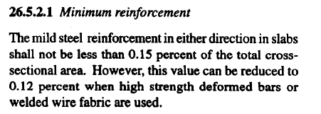

Min reinforcement |  |  |  |  |  |  | [IS456:2000 26.5.2.1]

 |  |  | 0.15 b d |  | For Fe 250

 |  |  | 0.12 b d |  | For Fe 415 or +

Max reinforcemnt

 |  |  | 0.04 bD |  |  |  | [Is 456 26.5.1.1]

Max Dia |  |  |  |  |  |  | [IS456:2000 26.5.2.2]

 |  |  | Dia <= 1/8 x t |  |  | t = thickness of slab

Spacing Steel |  |  |  |  |  |  | [IS456:2000 26.3.3]
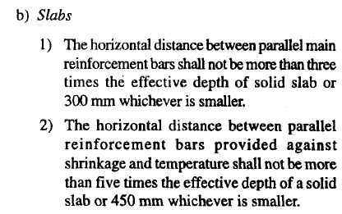
 | Main Steel Min of below
 |  | <= 3t |  |  |  | t = thickness of slab
 |  | 300

 | Secondary steel Min of below |  |  |  |  | t = thickness of slab
 |  | <=5t
 |  | 450

Partial Safety Factor for Loads |  |  |  |  |  |  | [IS456:2000 Table 18]

 |  |  | 1.5(DL + LL)

Shear Multiplying factor for slab |  |  |  |  |  |  | [IS456:2000 40.2.1.1]

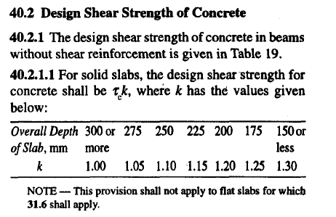
 |  | k=(400/d)^(1/4) |  | (400/d) < 1

Design Shear Strength of Concrete Tc Formula |  |  |  |  |  |  | [IS456:2000 Table 19]

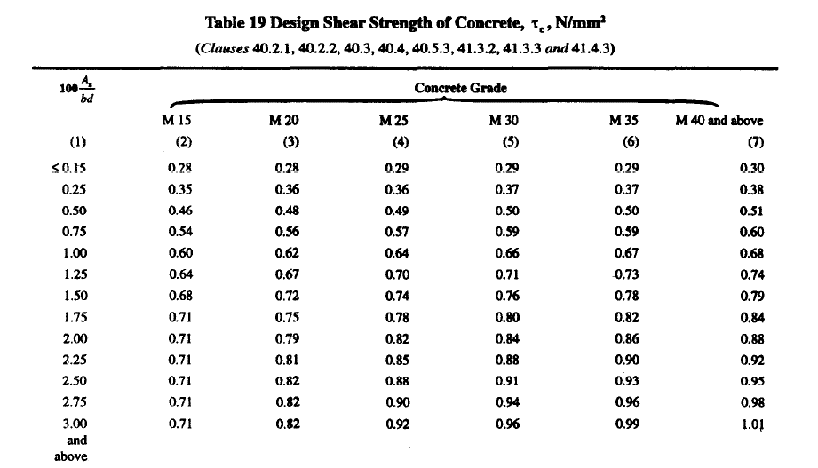

Max Shear Stress TcMax Formula |  |  |  |  |  |  | [IS456:2000 Table 20]

Solid Slab Nominal shear stress shall not exceed half of table 20 Value |  |  |  |  |  |  | [IS456:2000 40.2.3.1]

 | Tv <= 1/2 Tcmax

 |  |  |  |  |  |  | [IS456:2000 26.5.1.6]

FLOWCHART4
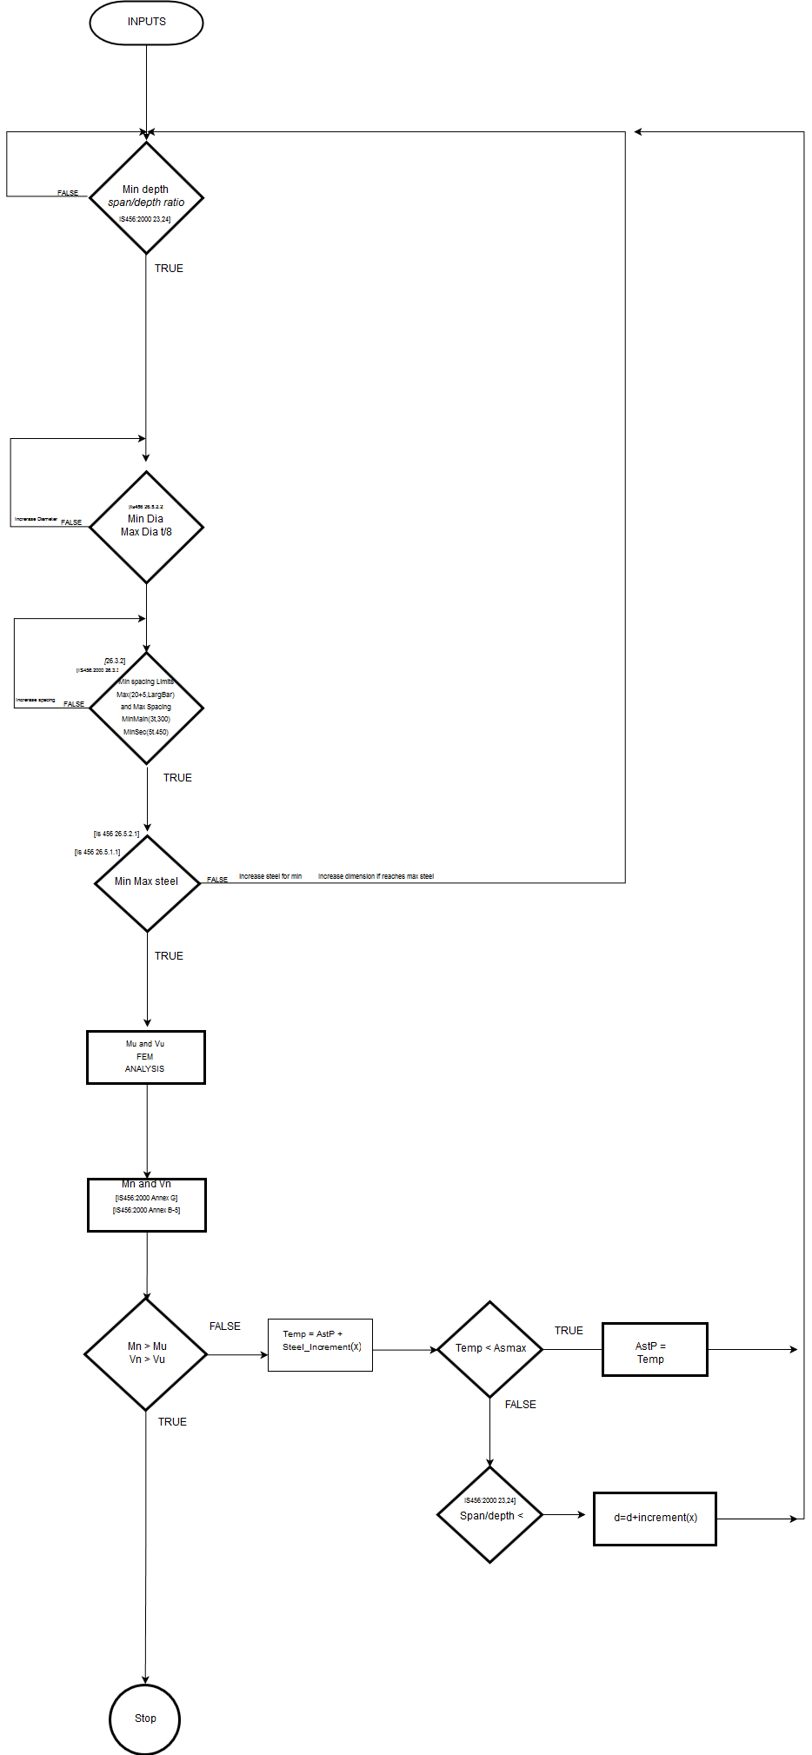
Flow Chart

FLOW CHARTS STEPS

MOMENT AND SHEAR

REPORT3
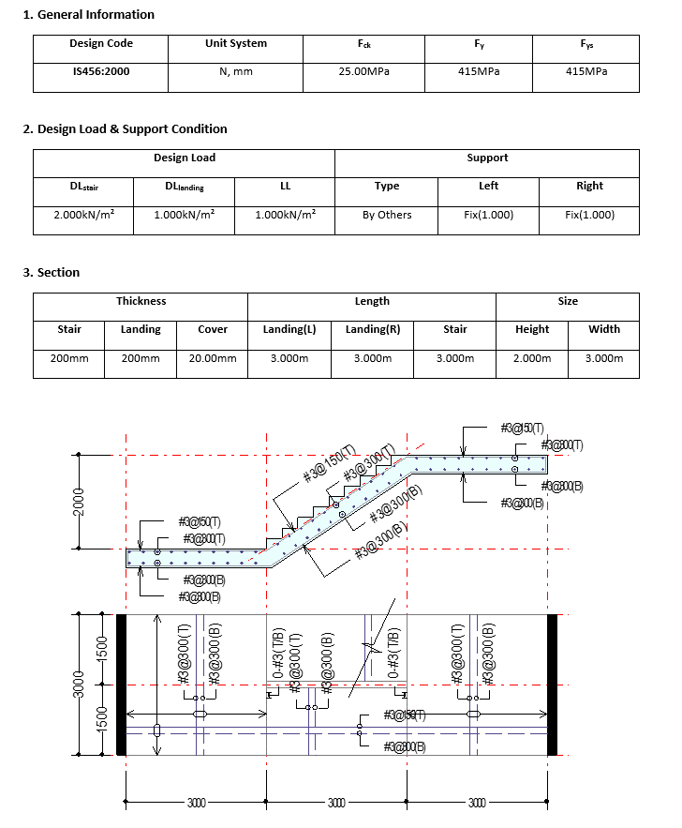
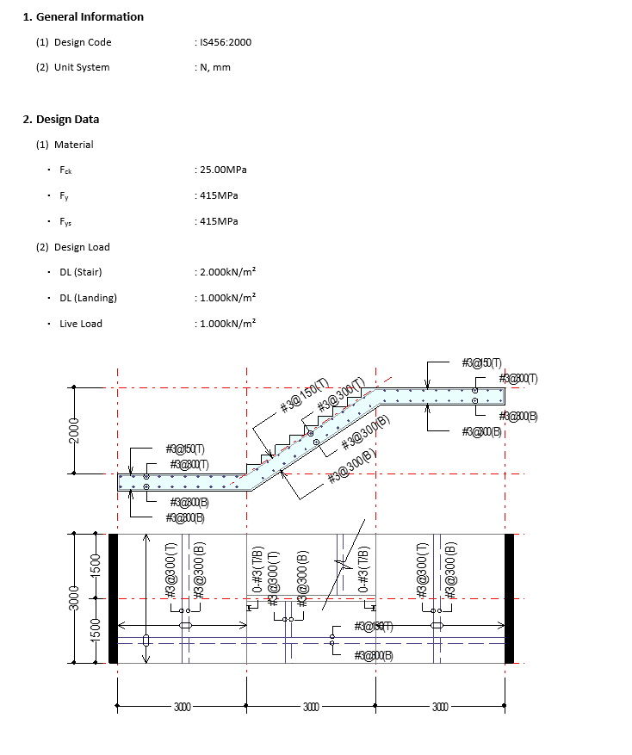
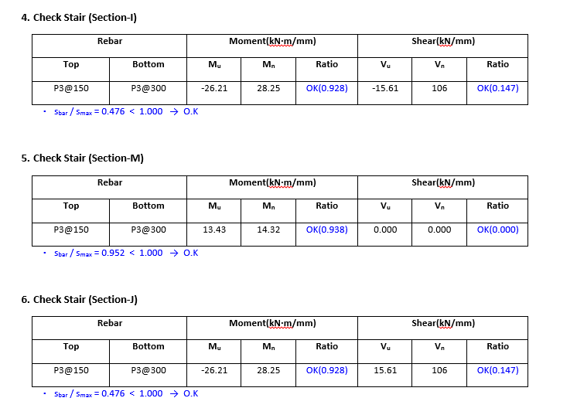
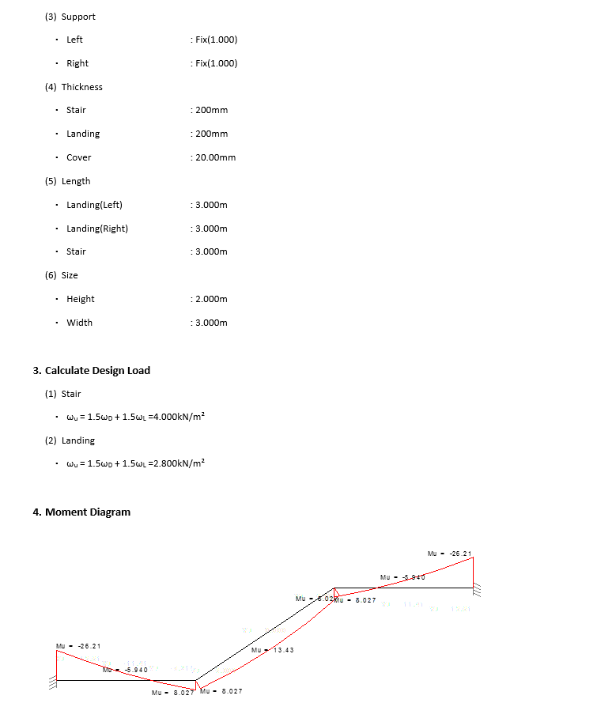
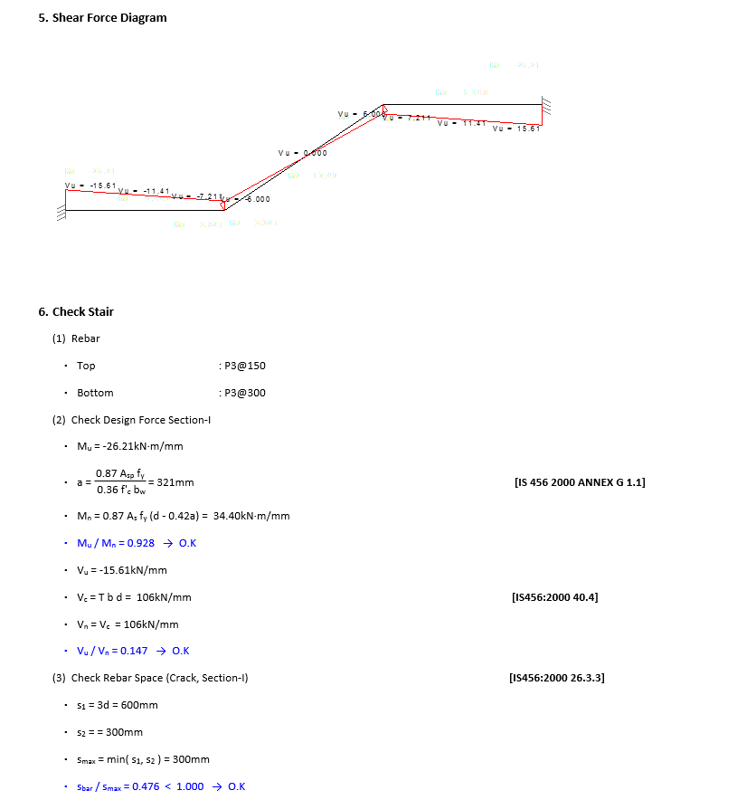
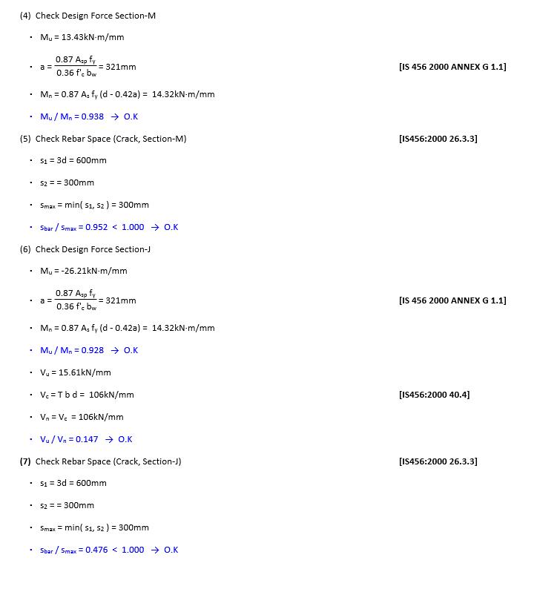
 |  | REPORT

Detail Report |  |  | Summary Report

 | Detail Report |  | Summary Report

Comments
Comments / Special Points

1 | Analysis base up on FEM plate Element |  |  | 1
2 | Slab thickness 80mm is usually provided
3 | For devlopment length implementation check for P.no 441 pcverghis volumn 1
4
5
6
7
8
9
10
11
12
13
14
15
16
17
18
19
20
21
22
23
24
25
26
27
28
29
30
31
32
33
34
35
36
37
38

 | Formullas of Beam/Slab
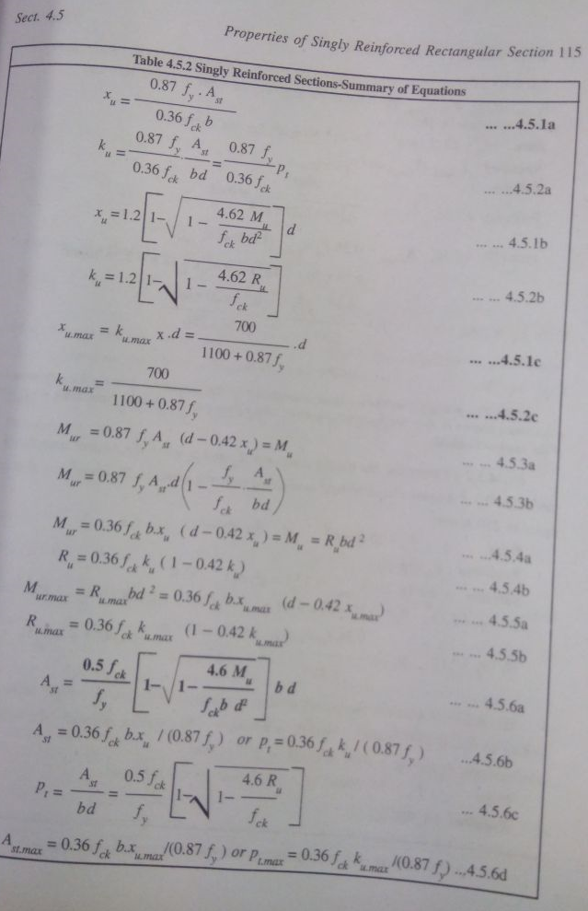

 | 7
 |  | Area centorid not coinsideing with load centroid

 |  |  | Stress = P/A +- M/Z

